April 2023
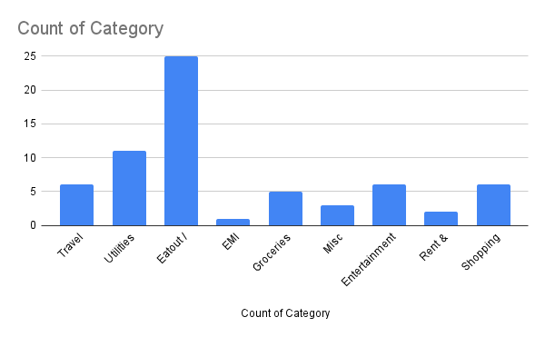
RAVI 12B, VXXXXXXXXXXXXXXX XXXXXXXXXXX, XXXXXXXX NEW DELHI, INDIA PIN:1100XX. TYPE: SAVINGS - GENERAL RAVIXXXXXXX@GMAIL.COM |  | MODE OF OPR : SELF A/C NO : 0063042XXXXXXXX CURRENCY CODE:INR CUSTOMER ID : A27XXXXXX DATE: 01-04-2023

S.No | DATE | PARTICULARS | CREDIT | DEBIT | BALANCE | Category
1 | 2023-04-01 | UPI/HDFC/314696296991/RAVI C/Payment from ABC | 50000 |  | 50,000.00
2 | 2023-04-02 | UPI/HDFC/309802413849/DELHI METRO RAIL CORPORATION/P |  | 32.00 | 49,968.00 | Travel
3 | 2023-04-03 | Airtel mobile sim recharge:01-04-2023 TO 30- 04-2023 |  | 383.00 | 49,585.00 | Utilities
4 | 2023-04-03 | "UPI/HDFC/309802415845/Everday Bistro/Dining |  | 2,000.00 | 47,585.00 | Eatout / Delivery
5 | 2023-04-03 | "UPI/HSBC/309355388376/EMI -MOBILE |  | 6,000.00 | 41,585.00 | EMI
6 | 2023-04-03 | UPI/IOBA/313768676987/SHALIMA GLADIS E/super market |  | 1,200.00 | 40,385.00 | Groceries
7 | 2023-04-03 | Unrecovered SMS Charge:01-04-2023 TO 30- 04-2023 |  | 117.00 | 40,268.00 | Utilities
8 | 2023-04-04 | UPI/KVBL/313657719034/ABITHA/Water can |  | 160.00 | 40,108.00 | Utilities
9 | 2023-04-04 | UPI/KVBL/213657718325/HEALTH PLUS INSURANCE |  | 1,000.00 | 39,108.00 | Misc
10 | 2023-04-04 | UPI/PYTM/313659945009/Iitmrp Acct Bashas F/Juice |  | 120.00 | 38,988.00 | Eatout / Delivery
11 | 2023-04-04 | UPI/HSBC/309355344676/ netflix monthly Payment |  | 479.00 | 38,509.00 | Entertainment
12 | 2023-04-04 | UPI/HSBC/309355388376/LIFE STYLE RENT Payment |  | 10,500.00 | 28,009.00 | Rent & Electricity
13 | 2023-04-05 | UPI/HDFC/312477424481/EB RENT C/Payment from Ph |  | 2,000.00 | 26,009.00 | Rent & Electricity
14 | 2023-04-05 | UPI/PYTM/315054312244/Iitmrp Acct Natural/Payment Food |  | 145.00 | 25,864.00 | Eatout / Delivery
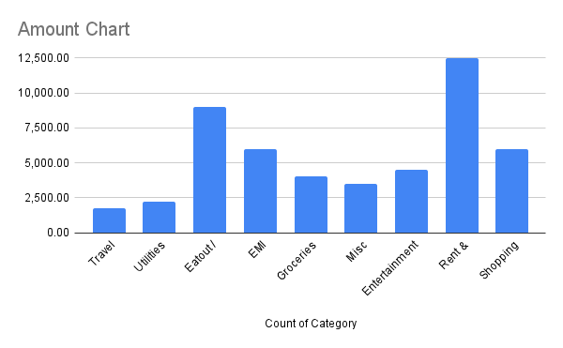
15 | 2023-04-05 | UPI/PYTM/345996314686/Flipkart/OidPZT230 4032220OUH |  | 400.00 | 25,464.00 | Shopping
16 | 2023-04-05 | UPI/YESB/314494386011/Natural hair doPayment |  | 700.00 | 24,764.00 | Misc
17 | 2023-04-06 | UPI/YESB/30940395971/BALAJI MESS/Payment from Pho |  | 120.00 | 24,644.00 | Eatout / Delivery
18 | 2023-04-06 | UPI/PYTM/314126962314/Balajigrocery store |  | 895.00 | 23,749.00 | Groceries
19 | 2023-04-06 | UPI/PYTM/314033502321/Ram genderal/ grocery |  | 400.00 | 23,349.00 | Groceries
20 | 2023-04-07 | UPI/UTIB/209521352275/Hotstar subscription |  | 700.00 | 22,649.00 | Entertainment
21 | 2023-04-07 | UPI/UTIB/309511352281/Zomato private Limited/UPI T |  | 275.00 | 22,374.00 | Eatout / Delivery
22 | 2023-04-08 | UPI/PYTM/114359586374/NK MILK TRADERS/Ice cream |  | 350.00 | 22,024.00 | Eatout / Delivery
23 | 2023-04-08 | UPI/YESB/309754372353/BOOKMYSHOW/B OOKMYSHOW |  | 600.00 | 21,424.00 | Entertainment
24 | 2023-04-09 | UPI/PYTM/314126962314/Balaji M/Kool food |  | 35.00 | 21,389.00 | Eatout / Delivery
25 | 2023-04-09 | UPI/PYTM/309825352922/MUNEESHWAR AGENCIES/Petrol |  | 500.00 | 20,889.00 | Travel
26 | 2023-04-09 | UPI/CIUB/31400924252/Mr fruits |  | 450.00 | 20,439.00 | Eatout / Delivery
27 | 2023-04-10 | UPI/PYTM/309949579094/Sri Venkateswara Pure Vegita |  | 125.00 | 20,314.00 | Eatout / Delivery
28 | 2023-04-10 | UPI/PYTM/212014081452/AIR FAN WIND |  | 1,500.00 | 18,814.00 | Shopping
29 | 2023-04-10 | "UPI/PYTM/313659845009/Iitmrp Acct Bashas F/Juice" |  | 100.00 | 18,714.00 | Eatout / Delivery
30 | 2023-04-11 | "UPI/YESB/309754372653/Restrobar |  | 1,500.00 | 17,214.00 | Entertainment
31 | 2023-04-11 | UPI/PYTM/310066739515/cool biz juice |  | 165.00 | 17,049.00 | Eatout / Delivery
32 | 2023-04-12 | UPI/PYTM/310278806562/MADRAS MANI BIRIYANI/Payment |  | 240.00 | 16,809.00 | Eatout / Delivery
33 | 2023-04-13 | UPI/KVBL/313657719034/ABITHA/Water can |  | 160.00 | 16,649.00 | Utilities
34 | 2023-04-14 | UPI/PYTM/313607916944/Iitmrp Sivasakthi FOOD Ca/Payment |  | 175.00 | 16,474.00 | Eatout / Delivery
35 | 2023-04-14 | "UPI/YESB/309754372353/VR games mall |  | 500.00 | 15,974.00 | Entertainment
36 | 2023-04-15 | UPI/YESB/313760482645/Santhosh Super Market/ |  | 1,340.00 | 14,634.00 | Groceries
37 | 2023-04-15 | "UPI/HDFC/309802415845/BBQDining |  | 2,200.00 | 12,434.00 | Eatout / Delivery
38 | 2023-04-16 | UPI/PYTM/310169524541/Mass Agency/Petrol kfc mxc |  | 500.00 | 11,934.00 | Travel
39 | 2023-04-16 | UPI/PYTM/312014081462/SARAVANASuper Stores Main/DRESS |  | 1,400.00 | 10,534.00 | Shopping
40 | 2023-04-17 | ADYAR ANANDA BHAVAN food |  | 250.00 | 10,284.00 | Eatout / Delivery
41 | 2023-04-18 | UPI/YESB/313773807520/KUNDAN ELECTRICAL AND PLUMBI |  | 350.00 | 9,934.00 | Utilities
42 | 2023-04-18 | UPI/KARB/314876773821/PRAKASH B/plumbing |  | 200.00 | 9,734.00 | Utilities
43 | 2023-04-19 | UPI/CIUB/314009242552/Mr Raja/uber |  | 111.00 | 9,623.00 | Travel
44 | 2023-04-19 | UPI/KARB/313855491407/PRAVEEN KUMAR S/uberBIKE |  | 92.00 | 9,531.00 | Travel
45 | 2023-04-19 | UPI/PYTM/314656452801/ONEPLUS SERVICE M/Payment from PhoneP |  | 1,800.00 | 7,731.00 | Misc
46 | 2023-04-19 | UPI/ICIC/313717919691/MOBILE M/Phone cover mxc |  | 300.00 | 7,431.00 | Shopping
47 | 2023-04-19 | UPI/YESB/314873062006/Geetham Restaurant Velachery/Payment f |  | 420.00 | 7,011.00 | Eatout / Delivery
48 | 2023-04-19 | "UPI/KARB/313853491827/Kumar fast food |  | 170.00 | 6,841.00 | Eatout / Delivery
49 | 2023-04-20 | UPI/TMBL/314053773445/RAMKI PANDURANGAN/Anand gift WEDDING |  | 1,000.00 | 5,841.00 | Shopping
50 | 2023-04-20 | UPI/YESB/314293641058/IRCTC/Payment from PhonePe |  | 519.87 | 5,321.13 | Travel
51 | 2023-04-21 | UPI/UTIB/314571608760/Swiggy/Swiggy Order Id 16809 |  | 256.00 | 5,065.13 | Eatout / Delivery
52 | 2023-04-22 | UPI/YESB/313773807420/ Toiletries |  | 450.00 | 4,615.13 | Utilities
53 | 2023-04-22 | UPI/KARB/313853491807/KUMAR S/uber |  | 133.00 | 4,482.13 | Utilities
54 | 2023-04-23 | UPI/YESB/314645641344/FULFILL FOODS CANTEEN AND DH |  | 180.00 | 4,302.13 | Eatout / Delivery
55 | 2023-04-24 | UPI/PYTM/314782929812/SRI MURUGAN CATERING/Payment |  | 220.00 | 4,082.13 | Eatout / Delivery
56 | 2023-04-24 | "UPI/KARB/313853491807/Kumar vegetables |  | 165.00 | 3,917.13 | Groceries
57 | 2023-04-25 | UPI/KVBL/313526231341/LALIT M/rasvid dinner |  | 471.00 | 3,446.13 | Eatout / Delivery
58 | 2023-04-26 | UPI/PYTM/212014081452/TRENDS FASHION |  | 1,400.00 | 2,046.13 | Shopping
59 | 2023-04-26 | UPI/INDB/314511592170/RAVI SANKARS/Pay To Ravisank food |  | 135.00 | 1,911.13 | Eatout / Delivery
60 | 2023-04-27 | "UPI/YESB/209754372343/BOOKMYSHOW/B OOKMYSHOW" |  | 721.00 | 1,190.13 | Entertainment
61 | 2023-04-27 | UPI/KVBL/313657719024/ABITHA/Water can |  | 160.00 | 1,030.13 | Utilities
62 | 2023-04-28 | UPI/TMBL/312990723356/RAMKI PANDURANGAN/milkshake |  | 120.00 | 910.13 | Eatout / Delivery
63 | 2023-04-29 | UPI/INDB/214512592178/RAVI SANKARS/Pay To Ravisank food |  | 138.00 | 772.13 | Eatout / Delivery
64 | 2023-04-29 | "UPI/HDFC/309802423849/DELHI METRO RAIL CORPORATION/P" |  | 56.00 | 716.13 | Utilities
65 | 2023-04-30 | UPI/PYTM/314437390094/Iitmrp Sivasakthi food Ca/Payment |  | 140.00 | 576.13 | Eatout / Delivery
66 | 2023-04-30 | UPI/HDFC/312791165645/DELHI METRO RAIL CORPORATION/P |  | 64.00 | 512.13 | Utilities

